Sheet1
 | Start Date | Completed | Remaining
Task 1 | 2000-01-08 | 205 | 10
Task 2 | 2000-12-15 | 200 | 120
Task 3 | 2000-12-16 | 140 | 200
Task 4 | 2001-06-02 | 44 | 345
Task 5 | 2001-06-05 | 0 | 380

 | 36,533.00
 | 37,047.00

Sheet2
Gantt Chart
 | Start Date | Completed | Remaining
Task 1 | 2000-01-08 | 205 | 10
Task 2 | 2000-12-15 | 200 | 120
Task 3 | 2000-12-16 | 140 | 200
Task 4 | 2001-06-02 | 44 | 345
Task 5 | 2001-06-05 | 0 | 380

Gantt Chart steps using date
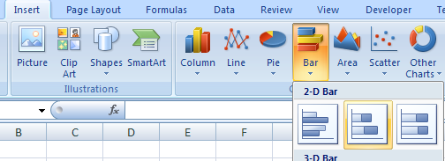
1. Insert a 2-D bar chart (Stacked bar).

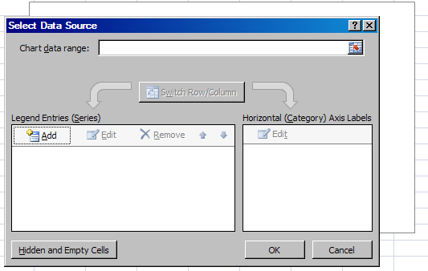
2. Right click on the bar chart and click "Select Data".
3. Click "Add" from the wizard (on the left).

4. Select the field under "Series name".
5. Select the desired table header (on the same sheet or navigate to apporiate sheet). Or you can give it any name you like.

 | Start Date | Completed
Task 1 | 2000-01-08 | 205
Task 2 | 2000-12-15 | 200
Task 3 | 2000-12-16 | 140
Task 4 | 2001-06-02 | 44
Task 5 | 2001-06-05 | 0

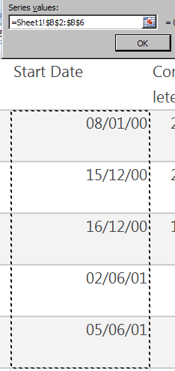
6. Select the field under "Series values".
7. Select the desired data.
8. Press "OK"
9. Select all desired data using steps 3-8.

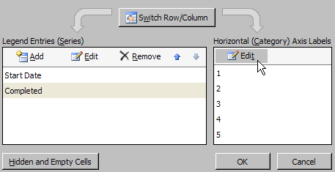
10. Now to select the vertical Axis Label (I know it's confusing as it says Horizontal on the wizard!), select "Edit" on the right panel. Then select the range of data (as in step 7) that you want to be displayed as vertical labels. This will lay the data in order of Bottom-up on the chart, we will fix this later.

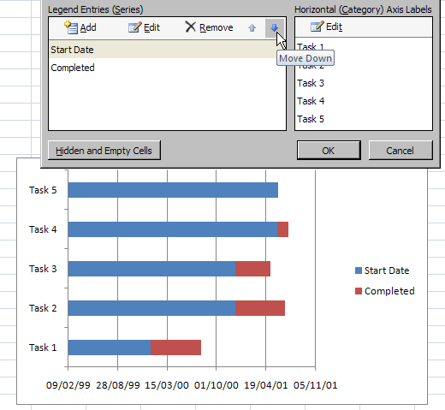
11. You can now see the data on the chart. If for some reason, one of the data category doesn't show up, it may be overshadowed by the other data category. In this case, use the "arrow" on the left panel to move the order of the data.

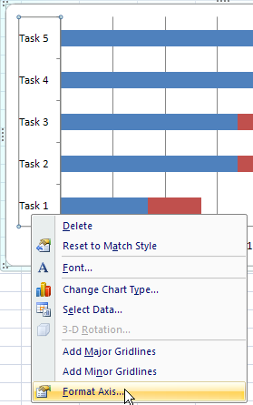
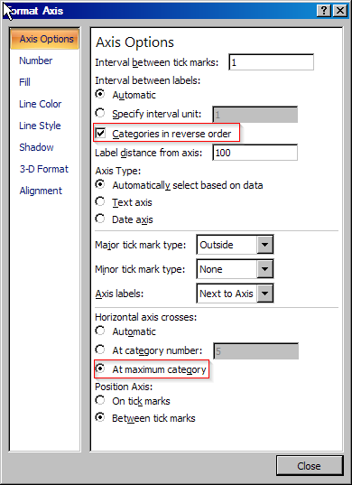
12. To correct the display order of the vertical Axis labels, select the vertical Axis group and right click to select "Format Axis".
13. Select "Categories in reverse order" and "At maximum category" as depicted.

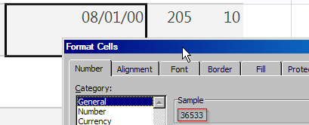
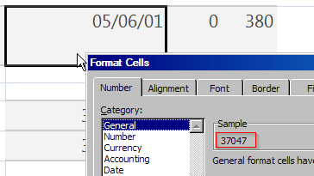
14. To display the horizontal Axis in desired Date range, first take the corresponding numeric value of the highest and the lowest date. This is done by right clicking on the cell, selecting "Format Cells" , then selecting "General".

15. Select the horizontal Axis group, right click to select "Format Axis" (as in step 12).
16. Enter the numeric values noted in step 14 for the dates in the Axis Options -> Minimum and Maximum fields. Enter a Major Unit, this is the interval in days between displayed dates (60 days in this example).
17. Choose the desired date format from Number -> Date as depicted.

18. To display the dates on the horizontal axis diagonally, select Alignment from and enter -45 in the Custom angle field as depicted.

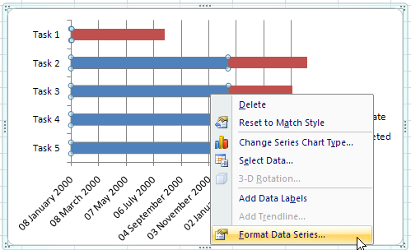
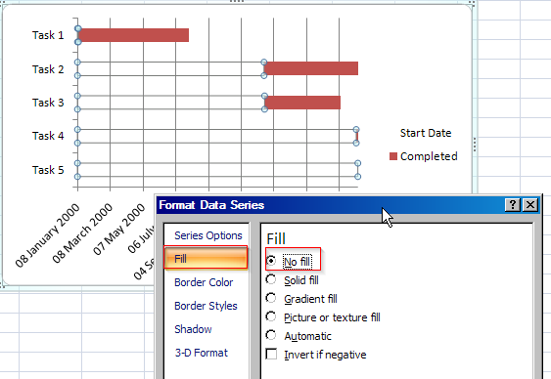
19. Finally to make it look like a Gantt Chart, hide the unrelated data by selecting the data block in the bar chart and setting its Fill to No Fill as depicted.

